Structure
Main Configuration |  | ` | Examples
Factor Name
Factor Group | Value / Momentum / Quality etc.
Factor Directionality | Lower better? Higher better? (e.g., PE = low good)
Universe Definition | Country - Sector - Liqudity
Volume Average | <1000 - 100,000 - 500,000 - 1,000,000
Ranking | Rank, Z-score, Percentile
Selection Threshold | 1, 3, 5, 7, 10, 12, 15 stocks

Cohort Construction
Start Date
Factor Value at Entry | Original factor value per stock
Portfolio Value | Equal weight
Holding Period | Infinite, Monthly, Quarterly, Yearly
Stock-Level Meta | Ticker, Sector, Market Cap..
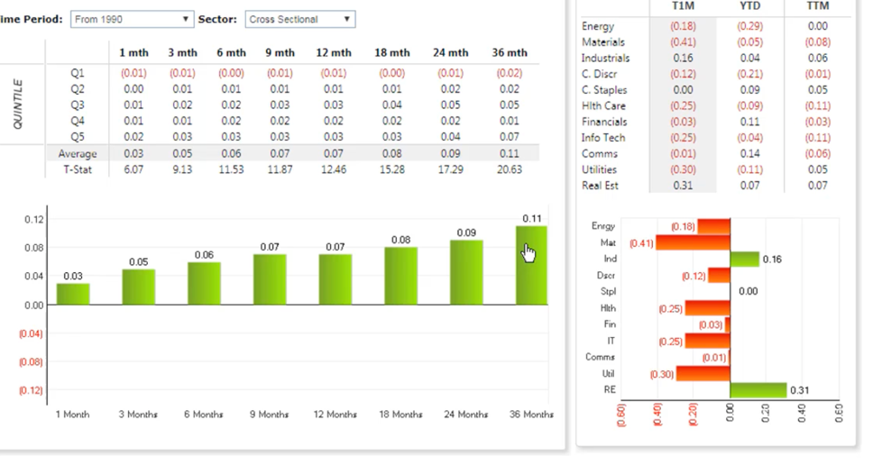
Stop loss | 5% , 7%, 10%, 15%, 20%

Performance Output
Entry Date / Quarter
Performance Horizon | Show Return (Monthly, or yearly or specific period, or full)
Total Return | Absolute % return of the cohort, Win/loss months count, Win/loss month return%
Average return of cohorts | IF multi-factor
Benchmark Return | Factor - Taduwual (Factor minus benchmark)
Sector Return | Factor - Sector specfic returns (Factor Minus Sector)
Trade-wise inspection | Inspection of all trades done
Return vs Benchmark | Excess return over benchmark, over sector
Sharpe / IR (Optional) | Risk-adjusted metrics if possible
Volatility / Drawdown | Max DD
Time-Based Grouping (overlay - shaddow) | Performance by year, by macro regime (Low oil price)
Exit-Pathway Audit | If exit at 5% what happened with those stocks
Rolling cohort portfolo analysis | Show Vintage Portfolio Analysis Matrix with fixed horizon
Zone overlay | Macro zones, Oil Zones, Index zones (drops)

Summary Output tear sheet
Average 1 month Return
Average 1 Year Return
Best 1 year return
Worst 1 year return
% of win Rate
% of loss rate
Total return since inception
Total return since inception - Index (Spread)
Total return since inception - Sector (Spread)

